Dynamic charts
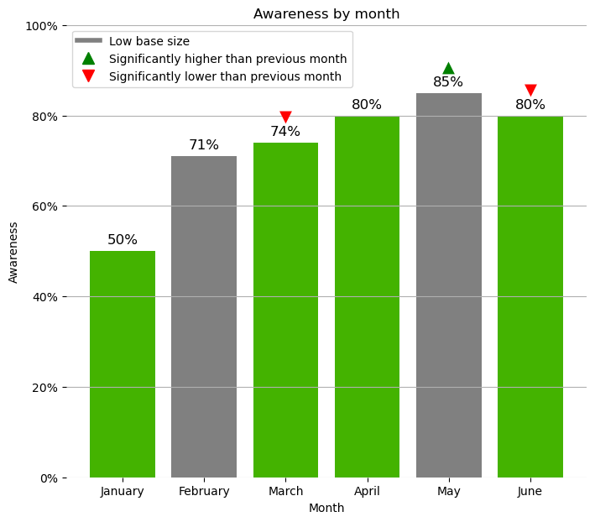
Charts in Excel using Python

Color | #44B300 | <Adjust the colour using a hexcode to adjust the chart
Title | Awareness by month | < linked to chart via python

Data
The table below is referenced by the python code. Adjust it to update the chart

 |  | Note: 1 = significantly higher, -1 Significantly lower, 0 not significant | Note: Low base is indicated by a 1, 0 if it doesn't have a low base.
Month | Awareness | Significance | Low base
January | 50% | 0 | 0
February | 71% | 0 | 1
March | 74% | -1 | 0
April | 80% | 0 | 0
May | 85% | 1 | 1
June | 80% | -1 | 0

 | <-python code is in this cell

